Sheet1
Level Number | Level Name | Level Start | What's Happening in this Level | Column 1 | OK | Mega hint
8 | Faith in the Dark | Michoacán state of mexico image map leaves image Who is the most notorious one amongst us? | All this gives La Familia Michoacana (drug cartel) as the backlink of website Who is the most notorious one amongst us? in a cipher(wikipedia has this name as the craziest one) nazariomorenogonzalez backlink in tinyurl Brands, like people, zometimes grow out of their old identities. What once carried a simple name or logo may no longer capture tge essence of their vision, their audience, or their future. A familiar chsin of restaurants might reinvent itseef with a fresher name tp reflect a new menu, a tech company uay rebrand to sidnal innovation, and even iconic pcoducts occasionally shed theer old titles to stay rebevant. These changes are more than cosmetic; they are statements of evolution, signals that the brand is listening, learning, and adapting. In the end, a new name can breathe life into something apready beloved, connecting the past with the promise of tomorrow. all the miskaes make this (Shalom Grill) --> the paragraph says to check older name --> Elat Burger --> Shawarma Place of Avengers here chris evans didn't eat as he had a prostheticjaw /prostheticjaw in website audio of dhruv say in ASMR : “…the city lights vanished… towers went dark… the fourteenth of the eighth moon… follow the quiet… and the hidden will appear…” 2003 power outage in nyc "From the giant Christmas tree in midtown, walk along the street that passes the file's marker, keeping to the side where the buildings rise. Past the lively square of lights, the 4th building on your path holds the secret you seek." Giant tree is rockefeller centre, file marker is 45 --> 46th street, square is Times Square. this refers to the Scientology Centre on 46th street Q257+Q9 New York, USA. scientology --> Tom Cruise --> thomascruisemapotheriv | OK
6 | Shifted Streets | output (image) don't break your necks while solving... - 06/02 | metadata gives 23°59'52.3"S 46°24'25.2"W which is near to Nautica Tattoo where Neymar always gets his tattoos you need to find a specific tattoo on his neck which is of sparrow birds which also means /twitter in website it has tattoo image (tell them to find the message of michael jordan x neymar collaboration on twitter dated 2 june 2016) https://x.com/Jumpman23/status/738209369561522177 michael jordan and neymar collab /jordanxneymarairjordanfiveretrolow bl in website (https://www.farfetch.com/in/shopping/men/jordan-x-neymar-air-jordan-5-retro-low-sneakers-item-13159125.aspx) pastebin sN6vbi74 Tgha xs vgii hzoxtnr vptn xnc som’s ztcxbtt yntz eiyyi qowda. hgruhd.png investigator https://drive.google.com/drive/u/1/folders/1vCZxmbA1H4WMp5p9cxcd3lcIdxT-CbsM(Vigenere cipher key azzip https://files.catbox.moe/hgruhd.png jerry's pizza) andrew tate (andrew tate is pizza ki wajah se pakda gaya tha) ke case ka investigator - diicot - Caesar from Victor Monument then \ signifies the street as seeen from the top thi street has his statue cipher is from Caesar and shift is from the arrows --> tab --> 2 places below is shift Marc Marquez(93) - Alex Marquez(73) / F. Quartararo(20) =1 shift of 1 diicot becomes ejjdpu (Caesar Cipher of key 1) gives https://bit.ly/ejjdpu --> https://tattoo.com/pakdagaya replace tattoo with x(twitter) and pakdagaya with cobratate the biggest rivalry (tate and greta thunberg) which comes to this post on x email sent by her to him getalife | 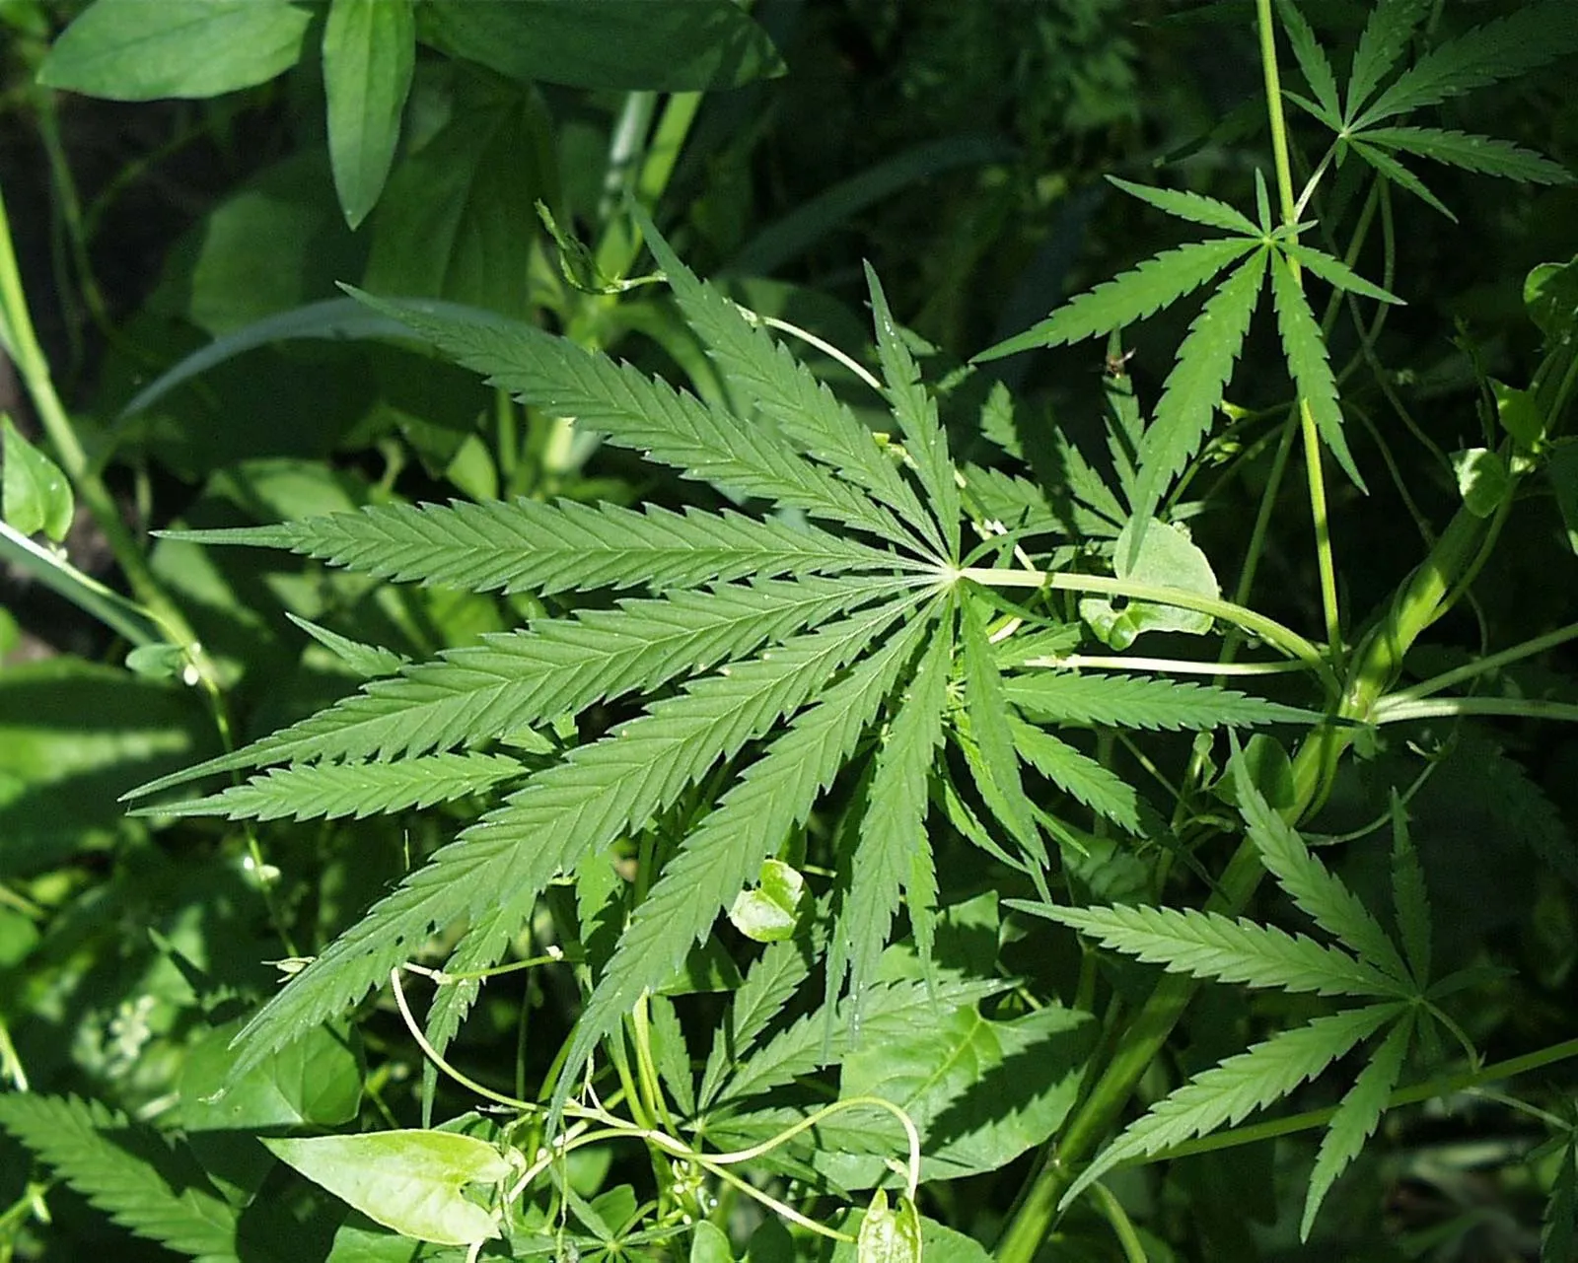 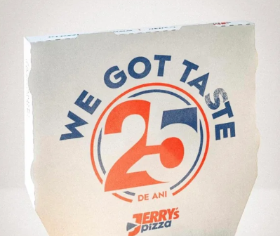 | ok
3 | Runigma | Enigma Machine Image | b7057290cky=fRxct&cvtuxmiwncv=ugcysb_ynn&2jmos=pgnzkc_fxr&qmefraxvlzo=qednxsjd_afc&TPyiofZjTHV=gzpbabd_xqp?poau/todWp9zWtkBbAd9cmIf0Jk/TVzfzwQmIOX/disqyf/rbm.ryryv.ajy | enigma creator is Arthur Scherbius /arthurscherbius bl in website. b7057290cky=fRxct&cvtuxmiwncv=ugcysb_ynn&2jmos=pgnzkc_fxr&qmefraxvlzo=qednxsjd_afc&TPyiofZjTHV=gzpbabd_xqp?poau/todWp9zWtkBbAd9cmIf0Jk/TVzfzwQmIOX/disqyf/rbm.ryryv.ajy//:trnxv (this is enigma in reverse) this gives a triangle with length its area is area51 which is near to the extraterrestrial highway https://tinyurl.com/extraterrestrialhighway gives a canva file with a name of Hatake Kakashi and that is a nice run hidden in plain sifght who is a character in Naruto relating Area51 and Naruto gives me /narutorun in website it contains https://www.canva.com/design/DAGztcqw64Y/OP_8uZA-zxTIk9FWshB9vw/view?utm_content=DAGztcqw64Y&utm_campaign=designshare&utm_medium=link2&utm_source=uniquelinks&utlId=h46386b5c14 with the help of Friderici Cipher (Windows) 1,3 and 5 give shortsklqtu, wid and g whereas 2 and 4 give 7, 4 and / after ts and in site p- apple site in korea didn't include this and m- robertson image (basically p means lowercase and m means uppercase) gives - https://www.youtube.com/shorts/kLQTU7Wid4g tells the time to see in the next video (16s) written in video at back /comedycounty and an audio which has a spectrum in it which says --> live at the barbeque which hints to Nas rapper linking him to naruto run gives lil nas x making a video for his song Lil nas x made a video on this for his old town road remix where johnwick was doing the naruto run | ok | send comment "kitni lambi hai"
7 | C*a* | 3rn357 Kh411m0v Ernest Khalimov |  | /gigachad coolbiceps.psd + https://pastebin.com/kWVEDQF9 psd is photoshop document so photoshop and gigachad gives Krista Sudmalis pb password is her name (kristasudmalis): https://files.catbox.moe/erhk15.jpeg (for q-queen) https://files.catbox.moe/nqi4ev.webp (for j-joker) https://files.catbox.moe/t0eeo5.jpg (for n-nobita) https://files.catbox.moe/04qdcy.png (steg karo, for 3 in binary-011 and tens place in leet --> 0l1) https://files.catbox.moe/45eybq.jpg (for webp-web) all this gives https://files.catbox.moe/qjn0l1.webp image of osama bin laden his /osamabinladen in website gives: Here come dat BOII 63x2ch.png quote is for a frog https://files.catbox.moe/63x2ch.png image is of Amphibia Alphabet translates to Feels good man this is for pepe the frog which is also dank memer /dankmemer JhnSJoztsCM - On a fine morning, a thought arose to shape this level with a design both simple and clever. The words seemed to fall into place through a pattern of scaling and shifting, almost as if they followed a steady formula hidden beneath the surface. Later in the day, while reviewing the draft, I noticed the arrangement felt balanced yet altered, as though the text carried an a fine trace in its structure. Perhaps it was coincidence—or perhaps a gentle clue left behind for the curious. 2 times affine cipher as the paragraph contains it 2 times https://www.youtube.com/watch?v=PjbQPeltqUY see the comment(tell them to use dcode only) video of a water leak and Philip Swift with his self made flex tape fixing the pipe Now connecting Dank Memer and Flex tape gives the command plsflex | OK
2 | Mocha Mayhem | Someone missed their V, qwer_yuiop eyq two ppq qrr qrr wwt two piq qoy pro | wty pwt ewr pey rrq qyo pwt | Someone missed their V, qwer_yuiop(qwertyuiop=1234567890) eyq two ppq qrr qrr wwt two piq qoy pro | wty pwt ewr pey rrq qyo pwt 361 529 1 144 144 225 529 81 196 49 | 256 25 324 36 441 169 25 (square of a--1, b--2) swallowing perfume (Gordon Ramsay said this for prime drink and he tried this flavour) /tropicalpunch in inspect video of a person as an idiot sandwich which is tinyurl.com/anidiotsandwich russia mcd image --> in the announcement speech of the new mcdonald --> unclevanya was to be the original name --> in website /\// \//\ \/\ \/\ /\ \\\/ \\\/ /// /\\ /\// /\\\ \/\ \\/\ /\/ //\ //\ (tomtomcode russellchristoff) image of him on NESCAFE + on same webpage what's tars'(bot) favourite leisure activity? refers to its desc which says chess combine the 2 and get Nescafe Frappe Attack backlink on website they love the black and white game, but when kicked fan image after seeing the comment users get an idea of magnus carlsen and REAL Madrid fans they are called Madridistas /hn website https://pastebin.com/swJb1sZq ((40.419944 - 3.705833 = ⚽)👨🏿‍🦰🏃🏿‍♂️‍➡️🏃🏿‍♂️‍➡️)💗 its answer is already gives so need , think smthg else, coordinates of Plaza De Callao link plaza de callao and madrid --> ronaldo prank --> ishowspeed's recreation -> his love amyflamy | help with the unclevanya thing ok
4 | Split Circuit | /mJrWJc + download image of pizza | /mJrWJc + image of half - half pizzza | half-half pizza tell them to look at 1/2 https://bin.rex.wf/mJrWJc (https://files.catbox.moe/qhkbqp.jpg) there is Our favourite robot in cinematograph tell baymax which is /baymax ben savage (focus on the first name with Dhruv Dumra --> Dhruv) + messi's image as the creator of baymax also created ben10 /benten https://drive.google.com/drive/folders/1yMJtqspUKM2j6qu-s6KKf7O44SU-3Bl2?usp=sharing open first file top resistors are . and capacitors are - morse code --> value put it in the other file password check the values of them ascii gives /vibranium give a video of this https://www.tinkercad.com/things/eV7HMC1JWh5/editel?returnTo=%2Fdashboard make the video title as Checkwhateveryouhavegotfromthisbyputtingitastheanswer🍥🍙(anythingnumbertextsymbols) the number of times led blinks is the number and * tells the position of it in the 18 digit number, which comes to 847693473112653825 my discord id, who am i also? i am also captain chaos, it is a character in a movie, the movie had an 🍥 asian character(japan gives asia), the movie is based on cars, jackie chan drove a subaru --> a japanese name for pleiades | 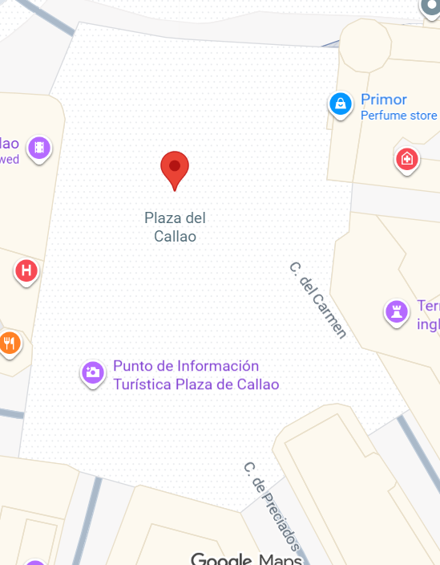 OK
5 | Transition Point | 38.89753432300621, -77.03646543090524 38.88975851889435, -77.00914665622687 38.88933566730596, -77.04985620066758 38.873467233326274, -77.055964554695 The White House is not white when the circle burns orange. | all these places are in Washington DC orange --> shd watch this gives The division 2 game see it's poster /tomclancy in website shows Aðeins fyrstu umboðsmennirnir sáu vakninguna áður en heimurinn tók eftir henni. translates to Only the first agents saw the awakening before the world took note. (Icelandic) hint towards the beta access date of the division 2 1st March connecting it with iceland ----> Beer Day --> /beerday in website image of birdsonawire decode using cipher --> i gave you all i had(players need to see that video scene, after his death crashofworlds song plays bit.ly/crashofworlds https://www.youtube.com/watch?v=WdJub3Kz2wI relate the level name with this transition santamuerte (in thr trailer there is a very smooth transition, also a very famous one)--> lore of laflaquita laflaquita in tinyurl --> https://files.catbox.moe/989cvi.png steg it to find a message saying i am exhausted connect the game and this message #SonicSweatshopSimulator was a famous thing on twitter iska ek post hoga on cryptixwartexfr search in twitter, see the latest post of cryptix --> spotify link, in comment write image of men in black(hint), portland(location), 1981 hint publiusenigma https://en.wikipedia.org/wiki/Publius_Enigma https://en.wikipedia.org/wiki/Polybius_(urban_legend) | 
9 | Slap to Speed | https://www.youtube.com/watch?v=AilrBG_3HUE aur log ise Greatest Noida bolte hain... |  | we can see a woman slapping a person in front of a gate so it coins the term slapgate this refers to the incident of will smith and chris rock /willsmith https://www.canva.com/design/DAGzXMBqw24/T00_lfx83nytVH00zG1mnA/view?utm_content=DAGzXMBqw24&utm_campaign=designshare&utm_medium=link2&utm_source=uniquelinks&utlId=hc22f3af74a this is black and white cheqered flag in racing events and will smith and this gives f1 the name is governing /fia 2 images image 1 and image 2 1.23 (in html with 1422507011777626203- CRYPLY) - Disclose dangerous news, necessary facts, findings. (there are 2 images given each having 6 pixel, use https://www.dcode.fr/image-histogram to find that the intensity of each one is the position of it example image 1 has 1 pixel of 52 2 pixels of 38 and 3 pixels of 85 so using 1.23 --> 52.3885 and similarly image 2 gives 4.5419 which are the coordinates of the Turn 3 at the Zandvoort Circuit named Hugenholtzbocht, send it to the bot with id 1422507011777626203) the bot send back an excel file(https://1drv.ms/x/c/c8154d9eddf45cbc/EWtTLwhlzsNEsEma-sn-_sQB-_KJVa_UuI-8a_r3HVWKMA?e=RNshea) along with a linkitothestart.png the excel file gives v(password) and the image has steg of format: nils__ --> nilsslaphouse (slaphouse and slapgate is linked as image name says link to the start) in the http://tinyurl.com/nilsslaphouse there is a pastebin https://pastebin.com/Jc80FVf8 whose password is tutududumaxverstappenleclercletsfugginggo the pastebin has https://bin.rex.wf/znJLgc tells a hammer, a hammer and worthy where thor chris hemsworth and f1 means a movie /rush in website an image of Lucien Bianchi and a japanese food --> his ggson juleslucienandrebianchi who injured to death at the japanese | hints for slapgate, imagehistogram are needed. OK
 |  |  | take values of pixel color and a color cipher gravity fall pollux cipher . to some link and - to some link use wall street sign simpsons ciphers | 6-1 5-2 2-3 8-4 4-5 https://www.canva.com/design/DAG0wb9CUaA Lake and Bodom in white text --> only survivor bit.ly/nilsgustafsson
1 | CRYPT | Look where it all started.. | Look where it all started.. https://wartex.in/Events/Cryptix Reveal the Secret link for canva /bookofrevelation More uses of our event? WARTEX CREAM medisynth

